CCLookupTool
2020 ConnectorCare Carrier Lookup Tool

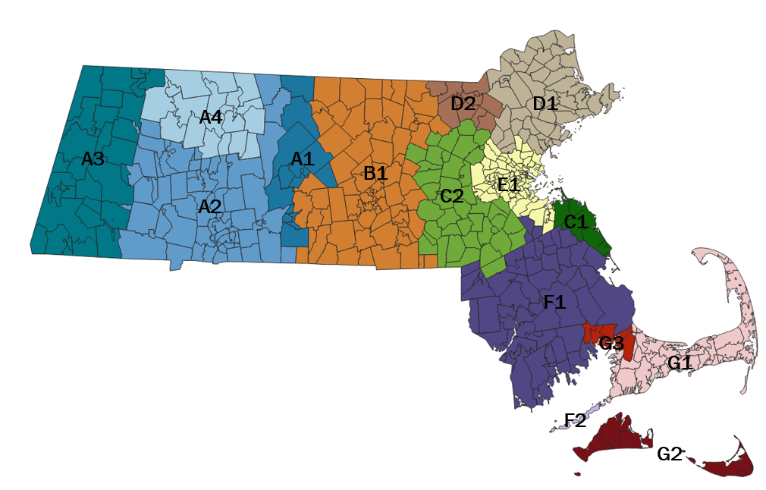
 | Enter Zip Code: | 01601

 | ConnectorCare Region: | B1

 | ConnectorCare Carriers

 | 1st Lowest Cost Carrier | Tufts Health Plan - Direct | Note: The three lowest-cost carriers have the same premium amounts in this region. Please refer to the ConnectorCare Enrollee Contribution map for detailed premium information.

 | 2nd Lowest Cost Carrier | Fallon Health

 | 3rd Lowest Cost Carrier | Boston Medical Center HealthNet Plan

 | 4th Lowest Cost Carrier | AllWays Health Partners

2020CCEnrolleeContributionMap
